COVER
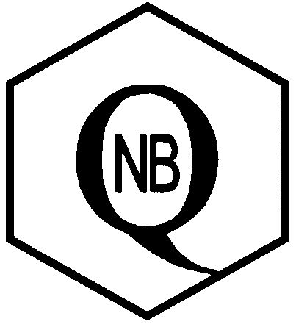 2024-01-16
Quality

Nut & Bolt Company

SS - NC Hex Nuts Course Thread 18-8 or 304 Stainles Steel |  | SS - NC NYLOCK NUT Course Thread 18-8 or 304 Stainles Steel

SS - NC 2-WAY NUT Course Thread - Punch Lock 18-8 or 304 Stainles Steel |  | SS - COMMERCIAL FLATWASHERS 18-8 or 304 Stainles Steel

SS - FENDER WASHERS 18-8 or 304 Stainles Steel |  | SS - SPLIT LOCKWASHERS 18-8 or 304 Stainles Steel

 | SS - HEX HEAD BOLT Course Thread 18-8 or 304 Stainless Steel
18-8

 | SS - CARRIAGE BOLT Course Thread 18-8 or 304 Stainless Steel
18-8

 | SS - LAG BOLT Screw Thread 18-8 or 304 Stainless Steel
18-8

 | SS Wedge Anchor 304 SS Wedge

 | SS - Threaded Rod Course Thread 18-8 or 304 Stainles Steel

